Table 1
LEVERET LADIES BOOT CUT COMFORT STRETCH PANTS
SIZE | 4 | 6 | 8 | 10 | 12 | 14 | 16 | 18 | TOTAL
SILVER | 73 | 25 | 75 | 104 | 69 | 98 | 100 | 100 | 644
LT GREY | 50 | 0 | 25 | 35 | 50 | 69 | 123 | 81 | 433
TAUPE | 43 | 20 | 50 | 70 | 44 | 25 | 75 | 94 | 421
WHITE | 25 | 35 | 25 | 25 | 50 | 25 | 116 | 71 | 372
COFFEE | 19 | 69 | 50 | 57 | 0 | 19 | 19 | 43 | 276
GRAY | 75 | 50 | 19 | 0 | 0 | 0 | 75 | 75 | 294
KHAKI | 0 | 17 | 75 | 38 | 0 | 50 | 15 | 50 | 245
TOTAL | 285 | 216 | 319 | 329 | 213 | 286 | 523 | 514 | 2685

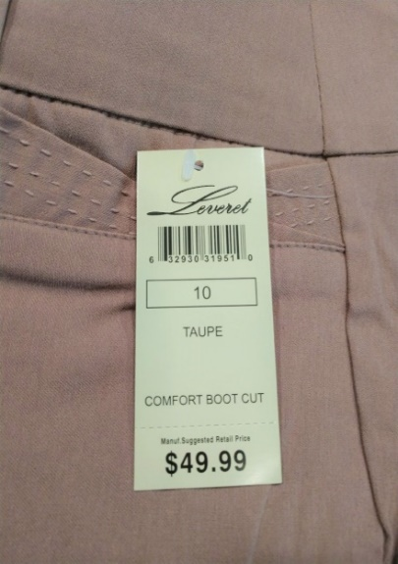
 | ►ALL FIRST QUALITY
 | ►INDIVIDUALLY POLY BAGS
 | ►25 PAIR PER CASE (SOLID SZ/COLOR)
 | ►PULL-ON STYLE WITH BELT LOOPS
 | ►RAYON/NYLON/SPANDEX BLEND
 | ►FAUX FLY AND POCKETS FOR EASY FIT
 | ►PRETICKETED AT $49.99

